glr-3 MR3
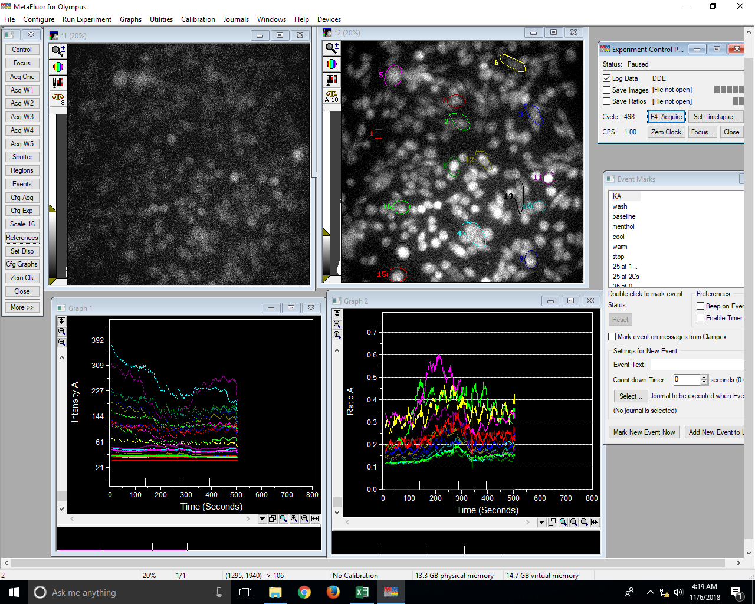
...
R1 W1 Avg | R1 R1 | R2 W1 Avg | R2 R1 | R3 W1 Avg | R3 R1 | R4 W1 Avg | R4 R1 | R5 W1 Avg | R5 R1 | R6 W1 Avg | R6 R1 | R7 W1 Avg | R7 R1 | R8 W1 Avg | R8 R1 | R9 W1 Avg | R9 R1 | R10 W1 Avg | R10 R1 | R11 W1 Avg | R11 R1 | R12 W1 Avg | R12 R1 | R13 W1 Avg | R13 R1 | R14 W1 Avg | R14 R1 | R15 W1 Avg | R15 R1 | R16 W1 Avg | R16 R1
0 | 0 | 16.8 | 0.19 | 18.88 | 0.17 | 41.69 | 0.11 | 35.44 | 0.34 | 12.96 | 0.29 | 20.14 | 0.19 | 23.16 | 0.11 | 26.32 | 0.13 | 29.87 | 0.13 | 43.46 | 0.14 | 24.88 | 0.14 | 29.79 | 0.13 | 24.54 | 0.14 | 13.9 | 0.16 | 16.37 | 0.12
0 | 0 | 16.64 | 0.19 | 18.69 | 0.17 | 41.68 | 0.11 | 35 | 0.33 | 13.02 | 0.29 | 19.95 | 0.19 | 22.9 | 0.11 | 26.07 | 0.13 | 30.03 | 0.14 | 43.53 | 0.14 | 24.58 | 0.14 | 29.65 | 0.13 | 24.39 | 0.14 | 13.91 | 0.17 | 16.19 | 0.12
0 | 0 | 16.46 | 0.19 | 18.66 | 0.17 | 41.52 | 0.11 | 35.12 | 0.34 | 13.1 | 0.28 | 20.02 | 0.19 | 23.07 | 0.11 | 26.07 | 0.13 | 29.83 | 0.14 | 44.13 | 0.15 | 24.71 | 0.14 | 29.64 | 0.13 | 24.36 | 0.14 | 13.87 | 0.16 | 16.31 | 0.12
0 | 0 | 16.57 | 0.2 | 18.43 | 0.17 | 41.45 | 0.12 | 34.86 | 0.33 | 13.07 | 0.3 | 19.95 | 0.19 | 23.04 | 0.12 | 25.85 | 0.13 | 29.77 | 0.14 | 43.55 | 0.14 | 24.89 | 0.14 | 29.47 | 0.13 | 24.39 | 0.14 | 13.81 | 0.18 | 16.29 | 0.12
0 | 0 | 16.74 | 0.19 | 18.56 | 0.17 | 41.39 | 0.12 | 34.66 | 0.32 | 12.86 | 0.29 | 19.82 | 0.19 | 22.97 | 0.12 | 25.86 | 0.14 | 29.53 | 0.14 | 42.86 | 0.14 | 24.57 | 0.14 | 29.61 | 0.13 | 24.22 | 0.14 | 13.85 | 0.17 | 16.21 | 0.12
0 | 0 | 16.26 | 0.19 | 18.2 | 0.17 | 40.77 | 0.12 | 34.22 | 0.33 | 12.57 | 0.29 | 19.51 | 0.19 | 22.79 | 0.12 | 25.58 | 0.14 | 29.24 | 0.14 | 42.76 | 0.14 | 24.41 | 0.15 | 29.31 | 0.14 | 24.05 | 0.14 | 13.62 | 0.18 | 15.85 | 0.12
0 | 0 | 16.57 | 0.2 | 18.18 | 0.17 | 40.47 | 0.12 | 34 | 0.32 | 12.76 | 0.31 | 19.52 | 0.19 | 22.5 | 0.12 | 25.38 | 0.14 | 29.22 | 0.14 | 42.11 | 0.14 | 24.5 | 0.15 | 29.05 | 0.14 | 23.95 | 0.14 | 13.71 | 0.18 | 15.75 | 0.12
0 | 0 | 16.17 | 0.19 | 18.17 | 0.17 | 40.28 | 0.12 | 33.66 | 0.31 | 12.58 | 0.3 | 19.68 | 0.19 | 22.6 | 0.12 | 25.13 | 0.14 | 28.83 | 0.14 | 42.13 | 0.14 | 24.42 | 0.15 | 28.84 | 0.14 | 23.9 | 0.14 | 13.4 | 0.19 | 15.94 | 0.12
0 | 0 | 16.33 | 0.2 | 18.11 | 0.17 | 40.26 | 0.12 | 33.56 | 0.3 | 12.57 | 0.3 | 19.57 | 0.2 | 22.13 | 0.12 | 24.79 | 0.14 | 28.72 | 0.14 | 42.65 | 0.14 | 24.58 | 0.15 | 28.75 | 0.14 | 23.64 | 0.14 | 13.44 | 0.19 | 15.79 | 0.12
0 | 0 | 16.27 | 0.2 | 17.9 | 0.17 | 40.3 | 0.12 | 33.22 | 0.31 | 12.67 | 0.32 | 19.62 | 0.2 | 22.73 | 0.12 | 25.05 | 0.14 | 28.86 | 0.14 | 42.24 | 0.14 | 24.54 | 0.15 | 28.69 | 0.14 | 23.71 | 0.14 | 13.34 | 0.19 | 15.74 | 0.12
0 | 0 | 16.21 | 0.2 | 17.91 | 0.17 | 40.02 | 0.12 | 33 | 0.3 | 12.37 | 0.32 | 19.43 | 0.19 | 22.44 | 0.12 | 24.72 | 0.14 | 28.79 | 0.14 | 42.07 | 0.14 | 24.24 | 0.15 | 28.62 | 0.14 | 23.58 | 0.14 | 13.51 | 0.2 | 15.73 | 0.12
0 | 0 | 16.2 | 0.2 | 17.96 | 0.17 | 40.04 | 0.12 | 33.07 | 0.3 | 12.46 | 0.3 | 19.45 | 0.19 | 22.64 | 0.12 | 24.93 | 0.14 | 28.77 | 0.14 | 41.96 | 0.14 | 24.4 | 0.15 | 28.68 | 0.14 | 23.6 | 0.14 | 13.39 | 0.19 | 15.62 | 0.12
0 | 0 | 16.3 | 0.19 | 17.74 | 0.17 | 39.82 | 0.12 | 33.21 | 0.31 | 12.55 | 0.29 | 19.39 | 0.19 | 22.46 | 0.12 | 24.75 | 0.14 | 28.6 | 0.14 | 41.84 | 0.14 | 24.28 | 0.15 | 28.5 | 0.14 | 23.35 | 0.14 | 13.4 | 0.2 | 15.73 | 0.12
0 | 0 | 16.17 | 0.19 | 17.97 | 0.17 | 39.66 | 0.12 | 32.97 | 0.3 | 12.39 | 0.28 | 19.46 | 0.19 | 22.32 | 0.12 | 24.52 | 0.14 | 28.65 | 0.14 | 41.79 | 0.14 | 24.2 | 0.15 | 28.36 | 0.14 | 23.33 | 0.14 | 13.18 | 0.2 | 15.8 | 0.12
0 | 0 | 16.11 | 0.19 | 17.77 | 0.17 | 39.56 | 0.12 | 32.89 | 0.3 | 12.48 | 0.28 | 19.09 | 0.18 | 22.31 | 0.12 | 24.39 | 0.14 | 28.41 | 0.14 | 41.69 | 0.14 | 24.19 | 0.15 | 28.34 | 0.14 | 23.3 | 0.14 | 13.21 | 0.21 | 15.72 | 0.12
0 | 0 | 16.02 | 0.19 | 17.64 | 0.16 | 39.41 | 0.12 | 32.71 | 0.29 | 12.43 | 0.26 | 19.07 | 0.18 | 22.21 | 0.12 | 24.53 | 0.14 | 28.31 | 0.14 | 41.46 | 0.14 | 23.82 | 0.15 | 28.17 | 0.14 | 23.13 | 0.14 | 13.05 | 0.2 | 15.44 | 0.12
0 | 0 | 15.84 | 0.18 | 17.43 | 0.16 | 39.12 | 0.12 | 32.3 | 0.29 | 12.12 | 0.25 | 18.97 | 0.18 | 21.89 | 0.12 | 24.35 | 0.14 | 28.19 | 0.14 | 41.26 | 0.14 | 23.63 | 0.14 | 27.87 | 0.14 | 22.83 | 0.14 | 13.18 | 0.21 | 15.49 | 0.12
0 | 0 | 15.74 | 0.18 | 17.35 | 0.15 | 38.89 | 0.12 | 32.44 | 0.3 | 12.21 | 0.26 | 18.9 | 0.18 | 21.83 | 0.11 | 24.17 | 0.14 | 27.96 | 0.14 | 40.77 | 0.14 | 23.58 | 0.14 | 27.87 | 0.14 | 22.75 | 0.14 | 12.92 | 0.2 | 15.51 | 0.12
0 | 0 | 15.94 | 0.18 | 17.6 | 0.16 | 38.84 | 0.12 | 32.3 | 0.31 | 12.23 | 0.25 | 18.99 | 0.18 | 21.77 | 0.11 | 24.26 | 0.14 | 27.98 | 0.14 | 40.75 | 0.14 | 23.63 | 0.14 | 27.96 | 0.14 | 22.97 | 0.15 | 12.97 | 0.2 | 15.33 | 0.12
0 | 0 | 16.01 | 0.18 | 17.37 | 0.16 | 38.57 | 0.12 | 32.35 | 0.31 | 12.12 | 0.25 | 18.82 | 0.17 | 21.67 | 0.11 | 24.18 | 0.14 | 27.88 | 0.14 | 40.58 | 0.13 | 23.36 | 0.14 | 27.7 | 0.14 | 22.89 | 0.15 | 12.91 | 0.21 | 15.28 | 0.12
0 | 0 | 15.89 | 0.18 | 17.26 | 0.15 | 38.49 | 0.12 | 32.05 | 0.31 | 12.14 | 0.25 | 18.67 | 0.18 | 21.54 | 0.11 | 23.97 | 0.14 | 27.87 | 0.13 | 40.55 | 0.13 | 23.31 | 0.14 | 27.75 | 0.14 | 22.71 | 0.15 | 12.91 | 0.21 | 15.44 | 0.12
0 | 0 | 16.74 | 0.19 | 18.29 | 0.16 | 39.33 | 0.12 | 33.11 | 0.32 | 13.01 | 0.27 | 19.67 | 0.19 | 22.66 | 0.12 | 24.83 | 0.14 | 28.84 | 0.14 | 41.64 | 0.14 | 24.31 | 0.14 | 28.6 | 0.14 | 23.67 | 0.15 | 13.77 | 0.22 | 16.22 | 0.12
0 | 0 | 16.6 | 0.18 | 17.98 | 0.16 | 38.96 | 0.12 | 32.69 | 0.32 | 12.79 | 0.27 | 19.27 | 0.18 | 22.3 | 0.11 | 24.85 | 0.14 | 28.32 | 0.13 | 41.45 | 0.14 | 24.04 | 0.14 | 28.26 | 0.14 | 23.46 | 0.15 | 13.58 | 0.21 | 15.88 | 0.12
0 | 0 | 15.84 | 0.18 | 17.29 | 0.15 | 38.15 | 0.12 | 32.05 | 0.32 | 12 | 0.25 | 18.6 | 0.18 | 21.69 | 0.11 | 23.86 | 0.14 | 27.8 | 0.13 | 40.97 | 0.14 | 23.34 | 0.14 | 27.48 | 0.14 | 22.32 | 0.15 | 12.91 | 0.21 | 15.29 | 0.12
0 | 0 | 15.69 | 0.18 | 17.08 | 0.15 | 38.06 | 0.12 | 32.22 | 0.32 | 11.97 | 0.26 | 18.65 | 0.18 | 21.44 | 0.11 | 23.91 | 0.13 | 27.5 | 0.13 | 41.03 | 0.14 | 23.22 | 0.14 | 27.24 | 0.13 | 22.58 | 0.15 | 12.61 | 0.19 | 15.21 | 0.12
0 | 0 | 15.93 | 0.18 | 17.19 | 0.15 | 38.08 | 0.12 | 32.47 | 0.33 | 11.99 | 0.26 | 18.76 | 0.18 | 21.54 | 0.11 | 24.42 | 0.14 | 27.68 | 0.13 | 40.78 | 0.14 | 23.09 | 0.13 | 27.42 | 0.13 | 22.67 | 0.15 | 13.04 | 0.2 | 15.4 | 0.12
0 | 0 | 16.1 | 0.18 | 17.45 | 0.16 | 38.4 | 0.12 | 32.71 | 0.33 | 12.25 | 0.27 | 18.98 | 0.19 | 21.82 | 0.11 | 24.07 | 0.13 | 27.86 | 0.13 | 41.62 | 0.14 | 23.67 | 0.14 | 27.92 | 0.14 | 22.75 | 0.15 | 13.16 | 0.21 | 15.51 | 0.12
0 | 0 | 16.38 | 0.19 | 17.62 | 0.16 | 38.33 | 0.12 | 32.71 | 0.33 | 12.55 | 0.27 | 19.14 | 0.2 | 22.02 | 0.11 | 24.34 | 0.14 | 28.15 | 0.13 | 41.38 | 0.14 | 23.97 | 0.14 | 27.93 | 0.14 | 23.2 | 0.15 | 13.34 | 0.21 | 15.84 | 0.12
0 | 0 | 16.28 | 0.19 | 17.54 | 0.16 | 38.13 | 0.12 | 32.51 | 0.34 | 12.48 | 0.28 | 19.22 | 0.2 | 21.99 | 0.11 | 24.01 | 0.14 | 27.84 | 0.13 | 41.1 | 0.14 | 23.58 | 0.14 | 27.78 | 0.14 | 22.78 | 0.15 | 13.09 | 0.21 | 15.7 | 0.12
0 | 0 | 15.69 | 0.19 | 17.01 | 0.16 | 37.27 | 0.12 | 31.8 | 0.34 | 12.14 | 0.28 | 18.61 | 0.2 | 21.39 | 0.11 | 23.57 | 0.14 | 27.27 | 0.13 | 40.45 | 0.14 | 23.21 | 0.14 | 27.2 | 0.14 | 22.17 | 0.15 | 12.87 | 0.2 | 15.2 | 0.12
0 | 0 | 16.03 | 0.19 | 17.23 | 0.17 | 37.29 | 0.12 | 31.81 | 0.34 | 12.11 | 0.28 | 18.81 | 0.2 | 21.56 | 0.11 | 23.45 | 0.14 | 27.41 | 0.13 | 40.68 | 0.14 | 23.22 | 0.14 | 27.37 | 0.14 | 22.05 | 0.15 | 12.9 | 0.2 | 15.37 | 0.12
0 | 0 | 15.73 | 0.2 | 16.58 | 0.16 | 36.81 | 0.12 | 31.28 | 0.34 | 11.74 | 0.28 | 18.27 | 0.2 | 21.17 | 0.11 | 23.04 | 0.13 | 26.87 | 0.13 | 39.63 | 0.14 | 22.66 | 0.14 | 26.61 | 0.13 | 21.75 | 0.15 | 12.5 | 0.2 | 14.92 | 0.12
0 | 0 | 15.76 | 0.19 | 16.75 | 0.17 | 36.72 | 0.12 | 31.22 | 0.33 | 11.73 | 0.28 | 18.42 | 0.2 | 21.13 | 0.11 | 22.85 | 0.13 | 26.68 | 0.13 | 39.83 | 0.14 | 22.82 | 0.14 | 26.89 | 0.14 | 21.86 | 0.15 | 12.47 | 0.19 | 15.07 | 0.12
0 | 0 | 15.69 | 0.2 | 16.52 | 0.16 | 36.77 | 0.12 | 30.9 | 0.34 | 11.79 | 0.3 | 18.27 | 0.2 | 20.87 | 0.11 | 22.95 | 0.13 | 26.62 | 0.13 | 39.96 | 0.14 | 22.74 | 0.14 | 26.62 | 0.13 | 21.57 | 0.15 | 12.43 | 0.19 | 14.88 | 0.12
0 | 0 | 15.58 | 0.19 | 16.75 | 0.16 | 36.74 | 0.11 | 30.85 | 0.32 | 11.59 | 0.28 | 18.11 | 0.2 | 20.95 | 0.11 | 22.92 | 0.13 | 26.62 | 0.13 | 39.87 | 0.14 | 22.7 | 0.14 | 26.62 | 0.13 | 21.45 | 0.14 | 12.21 | 0.18 | 14.96 | 0.12
0 | 0 | 15.75 | 0.2 | 16.79 | 0.17 | 37.23 | 0.12 | 31.15 | 0.33 | 11.89 | 0.3 | 18.39 | 0.21 | 21.3 | 0.11 | 23.31 | 0.13 | 26.88 | 0.13 | 40.45 | 0.14 | 23.09 | 0.14 | 26.86 | 0.13 | 22.01 | 0.15 | 12.86 | 0.18 | 15.09 | 0.12
0 | 0 | 15.94 | 0.21 | 16.94 | 0.17 | 37.66 | 0.12 | 31.37 | 0.34 | 12.09 | 0.32 | 18.56 | 0.21 | 21.58 | 0.11 | 23.42 | 0.14 | 27.13 | 0.13 | 40.62 | 0.14 | 23.22 | 0.14 | 27.06 | 0.14 | 22.22 | 0.15 | 12.82 | 0.19 | 15.2 | 0.12
0 | 0 | 16.03 | 0.2 | 17.16 | 0.17 | 37.69 | 0.12 | 31.56 | 0.33 | 11.89 | 0.3 | 18.76 | 0.21 | 21.75 | 0.11 | 23.44 | 0.14 | 27.22 | 0.13 | 40.7 | 0.14 | 23.12 | 0.14 | 26.93 | 0.13 | 22.17 | 0.15 | 12.7 | 0.18 | 15.13 | 0.12
0 | 0 | 15.88 | 0.2 | 16.77 | 0.17 | 37.32 | 0.12 | 31.49 | 0.33 | 11.89 | 0.31 | 18.43 | 0.21 | 21.28 | 0.11 | 23.33 | 0.14 | 27.31 | 0.13 | 39.87 | 0.14 | 23.17 | 0.15 | 26.88 | 0.13 | 22.07 | 0.15 | 12.82 | 0.18 | 15.01 | 0.12
0 | 0 | 15.82 | 0.21 | 16.75 | 0.17 | 37.37 | 0.12 | 31.52 | 0.33 | 11.83 | 0.31 | 18.48 | 0.21 | 21.44 | 0.11 | 23.36 | 0.14 | 27.14 | 0.13 | 39.88 | 0.14 | 23.08 | 0.15 | 26.92 | 0.14 | 21.98 | 0.15 | 12.72 | 0.18 | 15.05 | 0.12
0 | 0 | 15.46 | 0.21 | 16.32 | 0.18 | 36.32 | 0.12 | 30.43 | 0.34 | 11.45 | 0.29 | 17.84 | 0.21 | 20.79 | 0.11 | 22.45 | 0.14 | 26.34 | 0.14 | 39.26 | 0.15 | 22.4 | 0.15 | 26.43 | 0.14 | 21.16 | 0.15 | 12.23 | 0.19 | 14.41 | 0.12
0 | 0 | 15.29 | 0.2 | 16.12 | 0.17 | 35.86 | 0.12 | 30.11 | 0.33 | 11.31 | 0.31 | 17.62 | 0.21 | 20.53 | 0.11 | 22.31 | 0.14 | 26.03 | 0.13 | 39.14 | 0.14 | 21.99 | 0.14 | 25.97 | 0.13 | 21.07 | 0.15 | 11.97 | 0.18 | 14.4 | 0.12
0 | 0 | 16.18 | 0.22 | 16.97 | 0.18 | 36.8 | 0.12 | 31.19 | 0.34 | 12.03 | 0.33 | 18.56 | 0.22 | 21.36 | 0.12 | 23.1 | 0.14 | 27.12 | 0.14 | 40.07 | 0.15 | 22.81 | 0.15 | 27.04 | 0.14 | 21.87 | 0.15 | 12.78 | 0.19 | 15.27 | 0.12
...

